Recovery Data
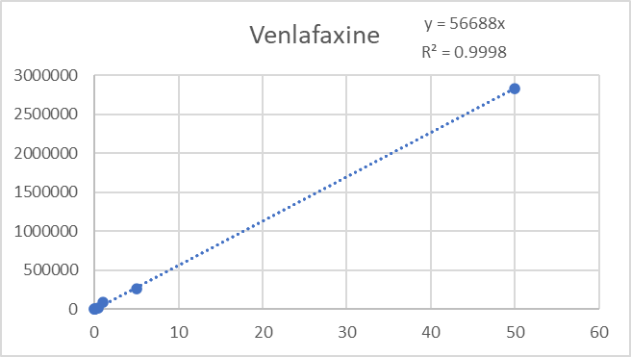
Standard Curve Run no. 1 - Directly before new recoveries - Peak areas
STD (ng/mL) | Venlafaxine | Carbamazepine
0.05 | 4965 | 3886
0.1 | 6814 | 5272
0.5 | 20907 | 32136
1 | 91084 | 69586
5 | 262787 | 333794
10 | 842454* | 643820
50 | 2835858 | 2988898
 | * Treated as outlier

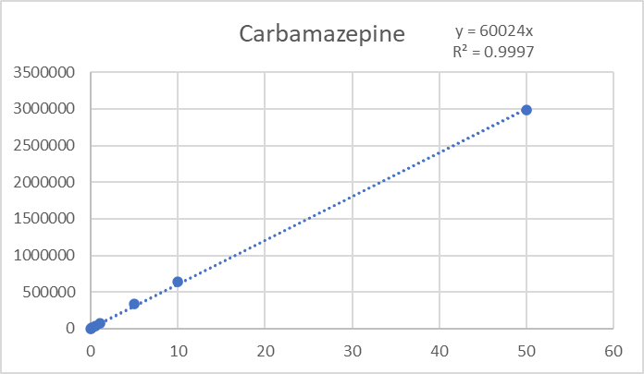
Recovered Mass of Pharmaceuticals
Sample Number | Venlafaxine | Carbamazepine
C18-1 | 6.4916384 | 9.2095229
C18-2 | 6.3980172 | 10.0447421
C18-3 | 4.0115933 | 11.5438358

Percentage of Pharmaceuticals
Sample Number | Venlafaxine | Carbamazepine
C18-1 | 64.92% | 92.10%
C18-2 | 63.98% | 100.45%
C18-3 | 40.12% | 115.44%

Average Percentage Recovery
Venlafaxine | Carbamazepine
56.34% | 102.66%

Standard Error of Pharmaceuticals recoveries (%)
Venlafaxine | Carbamazepine
8.12% | 6.83%

Calibration Curves
